1. Title Page
Basket Analysis

Project Name: Instacart Basket Analysis
Date: 5/7/2025
Analyst Name: Ramon Magallan

Contents:
Population Flow
Consistency checks
Wrangling steps
Column derivations
Visualizations
Recommendations

2. Population Flow
Title page

Population flow

Exclusion flag
Condition: max_order < 5
Obervations to be removed: 1,440,341
Final total count of order_products_all: 30,964,518

Orders_products_combined
Orders_products_merged
Orders_products_all

Total: 32,434,489
Total: 32,404,859
Total: 30,964,518

1.) The grey boxes in the first row of the population flow represent the original data sets as they were when you downloaded them. In the Total fields you need to add the count of the rows when you imported the data set into Jupyter.
2.) The second row of boxes (coloured) represents the data sets after you manipulated them, e.g., removed missing values and duplicates. In the Total fields you need to add the count of the rows after conducting these operations. This offers a visual oveview of how the data flows throughout the data consistency checks.
3.) The third row, where also the arrows are coloured, represents the merges you performed between the datasets. In the Total fields you need to add the count of the rows in the merged datasets, so that you end up with the final dataset (in the red box). Keep in mind the final dataset should be without exclusions (based on the exclusion flag).

3. Consistency checks
 |  |  |  | Title page
Consistency checks

Dataset | Missing values | Missing values treatment | Duplicates
orders | 206209 values were missing from 'days_since_prior_order' | Missing values were left untouched as they were found to represent the first order of each user | No duplicates
products | 16 Values missing from product_name | 16 Values with missing 'product_name' were removed | 5 Duplicate values were removed
orders_products_prior | No missing values | NA | No Duplicates
customers | 11,259 values missing from first_name | Imputed John on Male 'gender' values and Jane on Female 'gender' values | No Duplicates

4. Wrangling steps
 |  |  |  | Title page
Wrangling steps

Columns dropped | Columns renamed | Columns' type changed | Comment/Reason
eval_set |  |  | Not needed for analysis
_merge |  |  | Not needed for analysis
Unnamed:0 |  |  | Not needed for analysis
first_name |  |  | Contained PII
last_name |  |  | Contained PII
 | order_dow to orders_day_of_week |  | Help readability and maintain consistency in name scheme
 | Surnam to last_name |  | Help readability and maintain consistency in name scheme
 | STATE to state |  | Help readability and maintain consistency in name scheme
 | n_dependants to dependents |  | Typo and misspelled
 | First Name to first_name |  | Maintain consistency in name scheme
 | Gender to gender |  | Maintain consistency in name scheme
 | Age to age |  | Maintain consistency in name scheme
 |  | order_id | To string
 |  | user_id | To string

5. Column derivations
 |  |  |  | Title page

Column derivations and aggregations

In this tab you should add tables below that the frequences of flags/label variables that you produced after deriving them. NB: don't do this for continuous variables, only for flags.
Dataset | New column | Column/s it was derived from | Conditions
ords_prods_merge | price_range | prices | prices >15, price_range = 'High range'
 |  |  | prices >5 & prices <= 15 = 'Mid-range product'
 |  |  | prices <=5 = 'Low-Range product'
ords_prods_merge | busiest_days | orders_day_of_week | orders_day_of_week = 0,1 = 'Busiest'
 |  |  | orders_day _of_week = 3,4 = 'Least busy'
 |  |  | orders_day_of_week = else = 'Regular busy
ords_prods_merge | hourly_order_flag | order_hour_of_day | order_hour_of_day = 9, 10, 11, 12, 13, 14, 15, 16 = 'Most orders'
 |  |  | order_hour_of_day = 0, 1, 2, 3, 4, 5, 6, 23 = 'Fewest orders'
 |  |  | order_hour_of_day = else = 'Average orders'
ords_prods_derived_variables | loyalty_flag | max_order | max_order' > 40, 'loyalty_flag' = 'Loyal customer'
 |  |  | max_order' <= 40 & 'max_order' > 10, 'loyalty_flag' = 'Regular customer'
 |  |  | max_order' <= 10, 'loyalty_flag' = 'New Customer'
ords_prods_derived_variables | spending_habit | average_user_item_price | average_user_item_price >= 10, 'spending_habit' = 'High Spender'
 |  |  | average_user_item_price < 10, 'spending_habit' = 'Low Spender'
ords_prods_derived_variables | order_regularity | average_days_since_prior_order | average_days_since_prior_order' > 20, 'order_regularity' = 'Non-frequent customer'
 |  |  | average_days_since_prior_order' > 10 & <=20, 'order_regularity' = 'Regular customer'
 |  |  | average_days_since_prior_order' <= 10, 'order_regularity' = 'Frequent customer'
df49_merge | region | state | All states were organized by region in accordance of https://simple.wikipedia.org/wiki/List_of_regions_of_the_United_States
df49_merge | age_group | age | age < 25 = 'Young Adult'
 |  |  | age < 60 & age >= 25 = 'Adult'
 |  |  | age >= 60 = 'Senior'
df49_merge | income_group | income | income > 120,000 = 'High Income'
 |  |  | income <= 120,000 & income > 40,000 = 'Average Income'
 |  |  | income <= 40,000 = 'Low Income'
df49_merge | has_dependents | dependents | dependents >= 1 = 'has_dependents'
 |  |  | dependents <1 = no_dependents
df49_merge | pet_owner | department_id and user_id | df410['user_id'].apply(lambda x: 'has_pets' if x in pet_owners else 'no_pets')

6. Visualizations
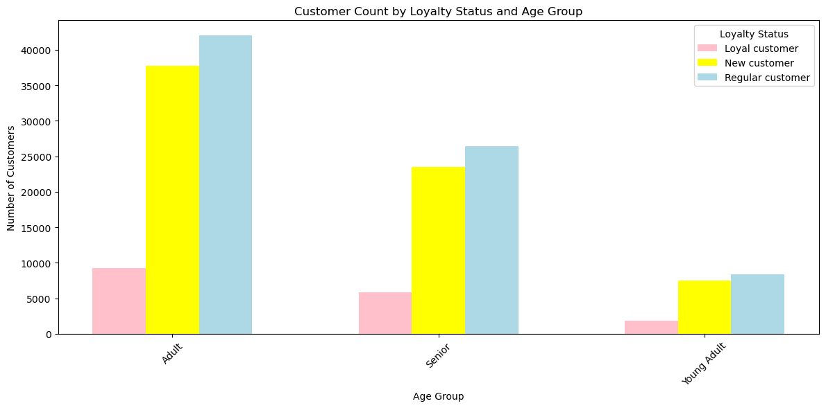
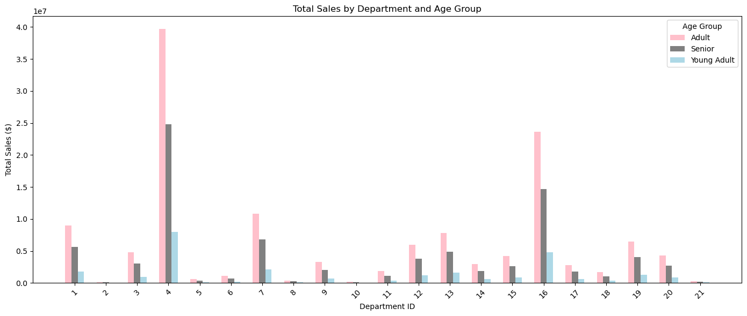
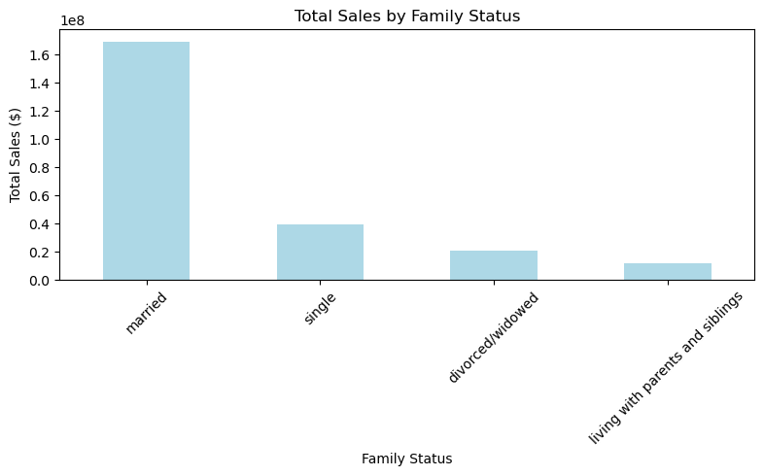
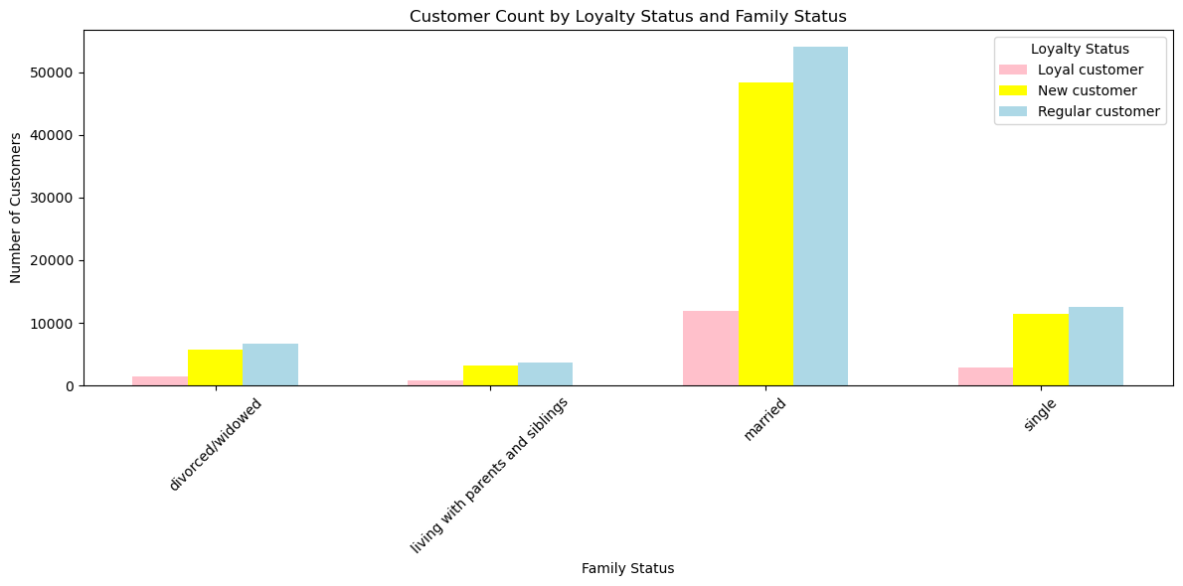
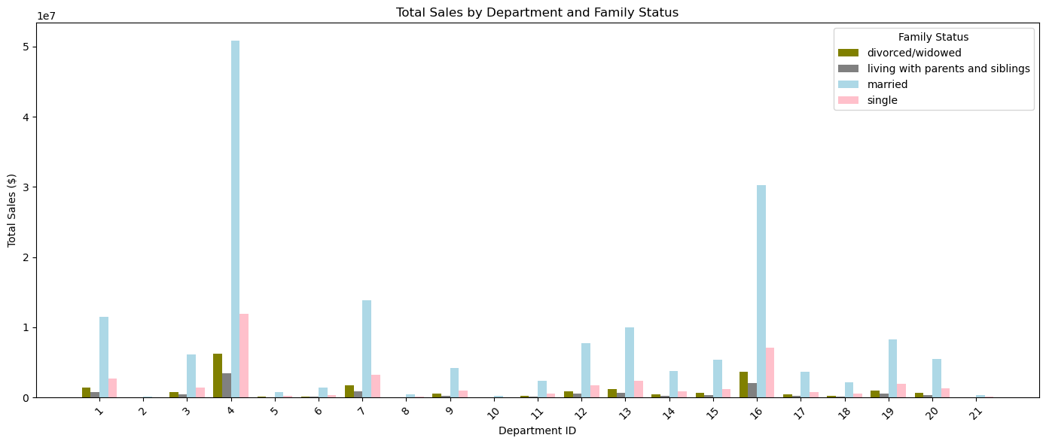
 |  |  |  | Title page

Visualisations

In this tab you should include all the visualtions from Exercises 4.9 and 4.10, alongside the questions from the project brief that they answer. Include any commentary on the relationship between different variables.

Question:

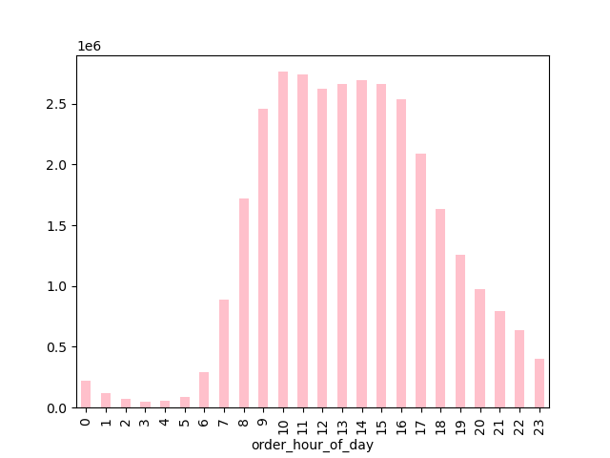
 | What are the busiest days of the week and hours of the day?

Answer:

 | The busiest hours of the day are between 9am and 4pm with a peak around 10am. Sunday and Monday experience the highest order volumes.

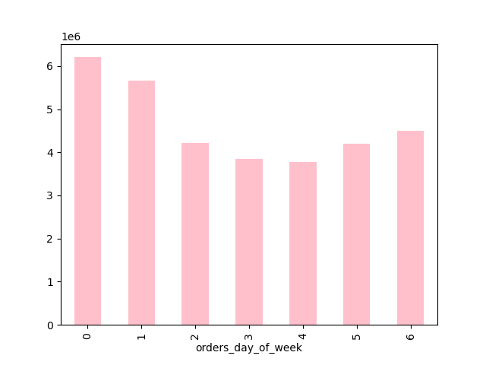

Question:

 | Are there certain types of products that are more popular than others?

Answer:

 | The most popular departments by total sales are Produce(4) and Dairy & Eggs (16), significantly outperforming all other categories. Other departments such as Snacks(5), Beverages (7), Canned Goods (3), and Frozen (1) also show notable sales but remain far behind Produce and Dairy & Eggs.

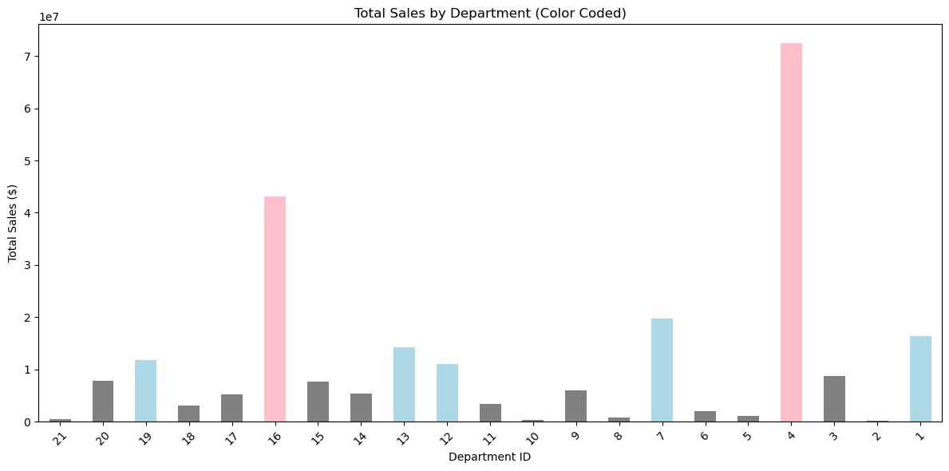

 |  | Question:
 |  |  | What's the distribution among users in regards to their brand loyalty?
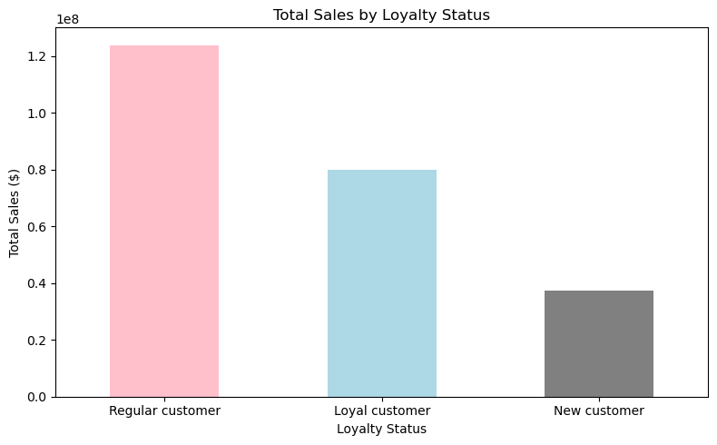
 |  | Answer:
 |  |  | Regular customers represent the largest group in terms of both number of users and total sales contributions, followed by Loyal customers, while New customers account for the smallest share.

 |  |  |  | Question:

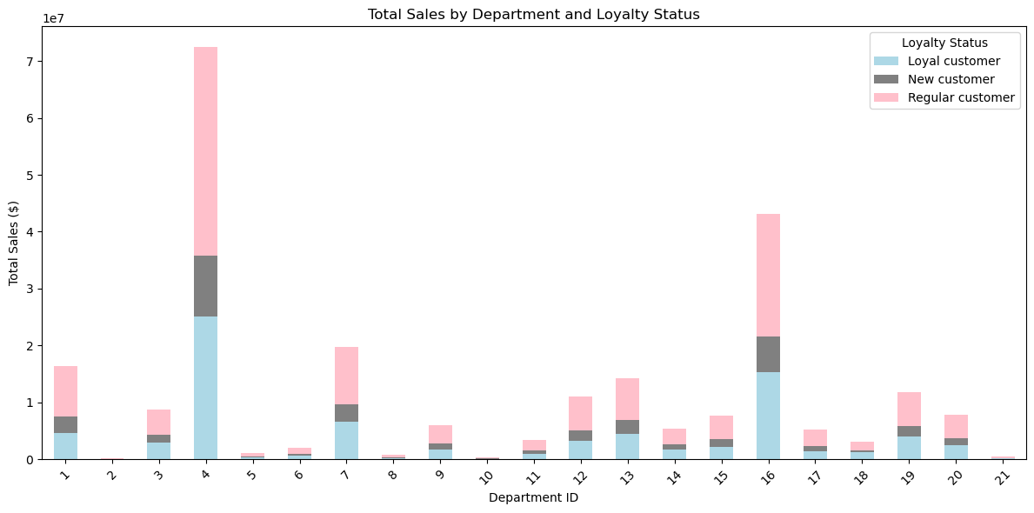
 |  |  |  |  | Are there differences in ordering habits based on a customer's loyalty status?

 |  |  |  | Answer:

 |  |  |  |  | Yes, there are clear differences in ordering habits based on loyalty status. Regular customers contribute the highest overall sales volume across all departments, largely due to their larger population size. Loyal customers, while fewer in number, tend to make more frequent and consistent purchases. New Customers contribute the least overall sales and show lower engagement across departments.

 |  |  |  | Question:

 |  |  |  |  | Are there differences in ordering habits based on a customer's region?

 |  |  |  | Answer:

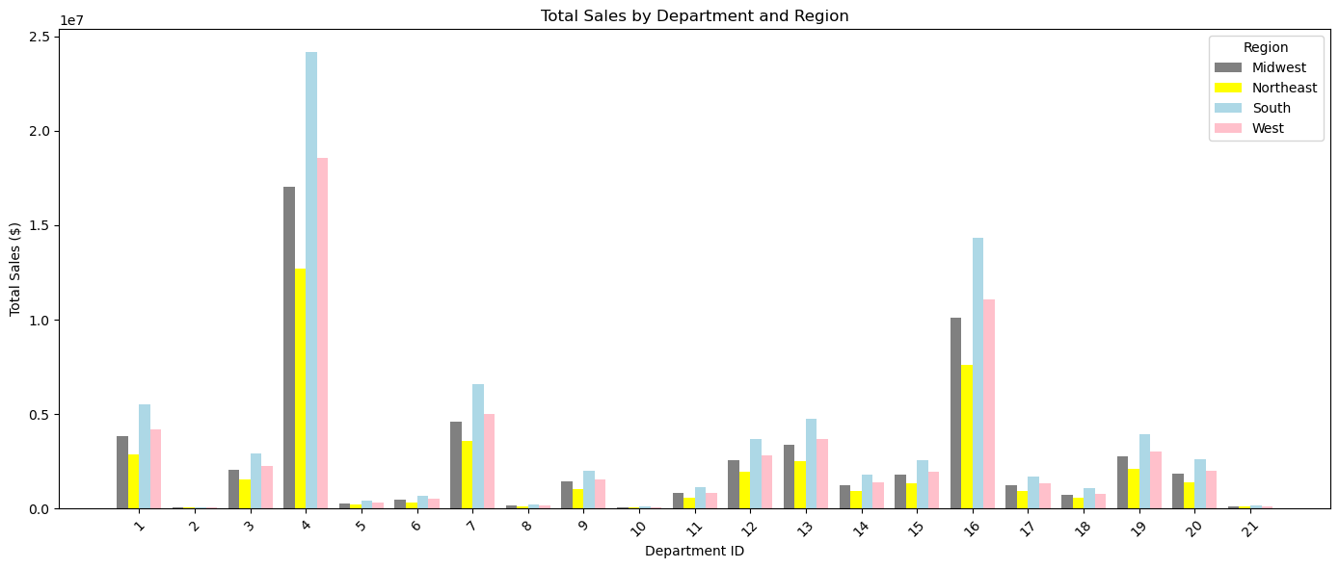
 |  |  |  |  | Yes there are some noticeable differences in ordering habits by region. The South and West regions tend to show higher total sales across most departments. The Midwest and Northeast regions generally have lower sales volumes but still show strong activity in certain departments like Frozen and Beverages. While the overall product preferences remain similar across regions, South consistently emerges as the region with the highest total spending, suggesting a larger or more active customer base.

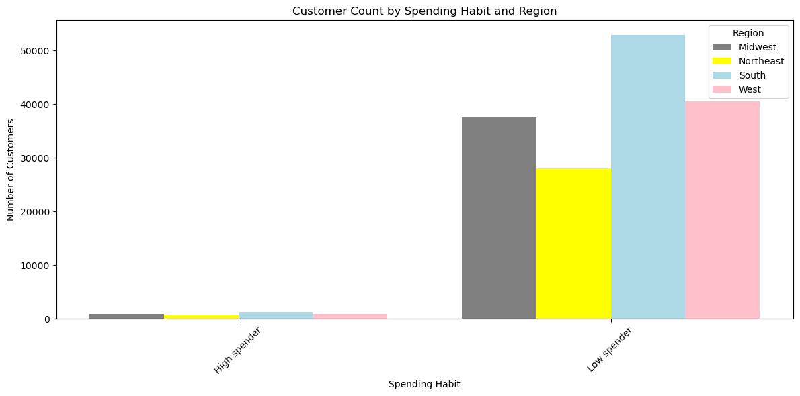

 |  | Question:
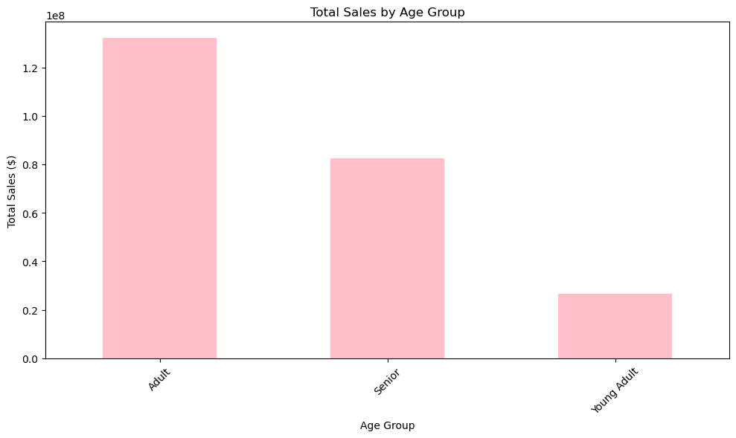
 |  |  | Is there a connection between age and family status in terms of ordering habits?

 |  | Answer:

 |  |  | There is a noticeable connection between age and family status in terms of ordering habits. Adults and Married customers account for the largest share of both total sales and order frequency. Seniors tend to order less frequently and generate lower sales compared to Adults but still surpass Young Adults. Youing Adults and individuals living with parents and siblings contribute the least to total sales and order frequency, suggesting lower purchasing power or engagement with the platform.

7. Recommendations
 |  | Title page

Recommendations

In this tab you should include any recommendations you would made to Instcart in terms of their marketing strategy based on the questions posed in the brief. Every key question has been covered in the Tasks of the Exercises - here you need to add an item - a visualisation or table/crosstable that is showing the answer in the data, acompanied by a comment from you. Please, list the questions below and add the answer underneath.

Question | Answer
Are there certain types of products that are more popular than others? The marketing and sales teams want to know which departments have the highest frequency of product orders. | Produce (4) and Dairy & Eggs(16) are by far the most popular, contributing the highest total sales. Other departments like Alcohol( 5), Bakery(3), Beverages(7), and Frozen(1) also show notable sales volumes but are significantly lower than Produce(4) and Dairy & Eggs(16). This indicates that certain departments dominate sales volumes, which can inform focused marketing efforts. Recommendation: Pinpoint marketing campaigns and in-app promotions around Produce and Dairy & Eggs to capitalize on their popularity. Cross-sell and bundle opportunities should be explored in less popular departmnets to boost their sales.

What's the distribution among users in regards to their brand loyalty (ie., how often do they return to Instacart)? | Regular customers represent the largest segment, followed by Loyal customers. New customers are the smallest group. This shows that Instacart has a strong base of repeat customers, but there may be opportunities to grow both loyalty and customer acquisition strategies. Recommendation: Invest in loyalty programs and retention campaigns to convert Regular customers into Loyal ones. Additionally, implement onboarding incentives or targeted ads to increase the New customer base.

Are there differences in ordering habits based on a customer's loyalty status? | Spending per product is slightly higher for high-loyalty customers, but the gap is modest. Recommendation: Encourage higher basket sizes among Loyal customers through exclusive offers and premium product bundles, leveraging their slightly higher spending tendancies.

Are there differences in ordering habits based on a customer's region? | There are only subtle differences. All regions have similar proportions of high vs. low spenders. The Midwest and West show slightly higher proportions of pet owners and families with dependents, while the South shows slightly lower pet ownership rates. Recommendation: Regional campaigns can be adjusted slightly to reflect higher pet ownership and family needs in the Midwest and West, while maintaining broad appeal across all regions.

Is there a connection between age and family status in terms of ordering habits? | Yes, Adults and Married customers tend to order more frequently and spend more. Younger customers and those living with parents show lower loyalty and lower average spending. Recommendation: Focus retention and upselling strategies on Adults and Married customers while designing targeted promotions (eg., student or young adult discounts) to engage and grow the Young Adult segment.

What different classifications does the demographic information suggest? Age? Income? Certain types of goods? Family status? | Age Group: Adults dominate both spending and frequency, followed by Seniors, then Young Adults. Income Group: High-income customers spend more per product but place similar or slightly fewer orders compared to average-income users. Low-income users make up a small portion of sales Family Status: Married customers dominate both order frequency and spending, while single and those living with parents show lower engagement. Pet Ownership: Pet owners are slightly more loyal and higher spenders, but the difference is not dramatic. Recommendation: Tailor personalized marketing based on these segments. For example, promote bulk and premium products to Adults and Married customers, while testing cost saving promotions or smaller pack sizes for lower-income or Young Adults.

What differences can you find in ordering habits of different customer profiles? Consider the price of orders, the frequency of orders, the products customers are ordering, and anything else you can think of? | Adults and Married customers spend the most and order most frequently. Loyal customers show the highest order frequency and contribute significantly to total sales, even though Regular customers account for the highest overall sales colume due to size. High spenders spend more per product but make similar or slightly fewer orders than Low spenders. Pet Owners do not spend significantly more than Non-Pet Owners. Family status impacts both loyalty and spending, with Married users tending to be more loyal and higher spenders. Recommendation: Segment marketing strategies to retain and grow the high-value segments(Loyal, Adults, Married), while using re-engagement campaigns or discount offers to stimulate activity among Regular customers, Low spenders, and Young Adults.

